Transfer details example
Project number: | 60999 | Example project |  | EXAMPLE
Only applicable for Multilateral projects!

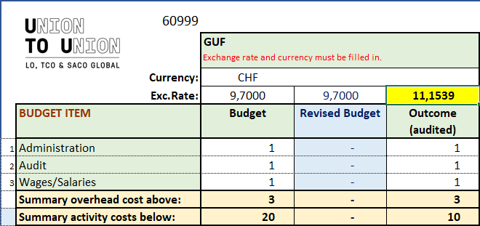
Level 3: Transfers from Union to Union to Agreement Holder GUF:

 | Date funds were received | Amount requested, SEK | Currency request | Amount received, Currency | Currency received
First transfer: | 2023-03-15 | 100,000.00 | CHF | 8,881.00 | CHF
Second transfer: | 2023-08-30 | 50,000.00 | CHF | 4,438.00 | CHF
Third transfer: | 2023-11-30 | 50,000.00 | CHF | 4,612.00 | CHF
Fourth transfer: |  | - |  | -

 |  | Total amount requested from Union to Union, SEK: |  | 200,000.00
 |  | Total amount received by GUF, currency: |  | 17,931.00
 |  | Average transfer rate, (=total SEK/total Currency): |  | 11.1539
 |  |  |  | (Average transfer rates that correspond to the “Transfer and Balance” sheet in the Financial Report)

